How To Use This Template
 |  |  | How to Use This Template:

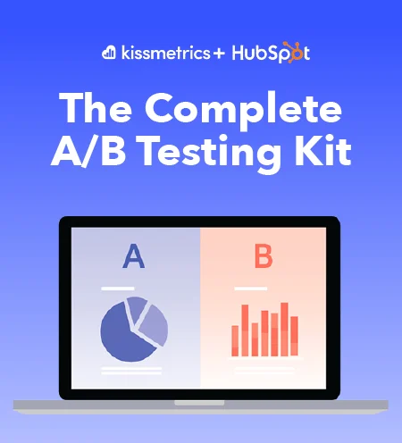
 |  |  | Use the Test Tracking sheet to record if results are statisctically significant, include notes, and the steps which need to be taking next. Include notes, the test date, its win, and more.

Keeping Track

Of Your

A-B Tests

 | Hubspot Marketing Hub

 | All your marketing tools and data — all under one roof.

 |  | Get Started

